Annex4 permutation test output
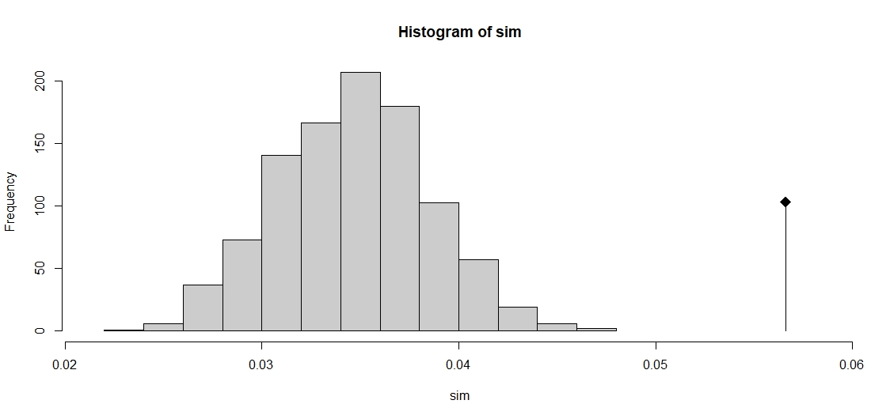
ADE4 Discriminant Analysis output :
 | Graph showing the differences between the 3 groups of stomachs (black square) compared to the distribution of permutation-based simulated differences between groups.
 | ADE4 authors indicate that if the observed value is outside the histogram the discrimination is significant

