Info
Scopus
338 document results (327 after excluding duplicated ones).
TITLE-ABS(("usability" OR "quality in use" OR "effectiveness" OR "efficiency" OR "satisfaction" OR "freedom from risk" OR "context*" OR "usefulness" OR "trust" OR "pleasure"OR "comfort" OR "flexibility") AND ("evaluation" OR "assessment" OR "quality evaluation" OR"quality assessment") AND ("*systematic literature review" OR "systematic* review*" OR "mapping study" OR "systematic mapping" OR "structured review" OR " secondary study" OR "literature survey" OR "review of survey*" OR "state of research" OR "state of art" OR "rapid review" OR SLR OR "scoping review") AND ("smart*" OR "intelligent environment"OR "pervasive" OR "ubiquitous" OR "AAL" OR"ambient intelligence" OR "assisted living" OR "systemsof systems" OR "internet of things" OR "Cyber-PhysicalSystems" OR "Industry 4" OR "fourth industrial revolution"OR "web of things" OR "Internet of Everything" OR "IoT"OR "CPS")) AND ( LIMIT-TO ( SUBJAREA,"COMP" ) OR LIMIT-TO ( SUBJAREA,"ENGI" ) ) AND ( LIMIT-TO ( LANGUAGE,"English" ) )
Filtered to show English studies only.
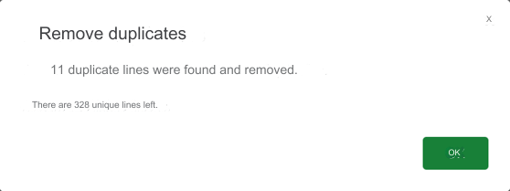

Web of Science
861 document results (no duplicates).
(("usability" OR "quality in use" OR "effectiveness" OR "efficiency" OR "satisfaction" OR "freedom from risk" OR "context*" OR "usefulness" OR "trust" OR "pleasure" OR "comfort" OR "flexibility") AND ("evaluation" OR "assessment" OR "quality evaluation" OR "quality assessment") AND ("systematic* literature* review*" OR "systematic* review*" OR "mapping study" OR "systematic mapping" OR "structured review" OR " secondary study" OR "literature survey" OR "review of survey" OR "state of research" OR "state of art" OR "rapid review" OR "SLR" OR "scoping review") AND ("smart*" OR "intelligent environment" OR "pervasive" OR "ubiquitous" OR "AAL" OR "ambient intelligence" OR "assisted living" OR "systems of systems" OR "internet of things" OR "Cyber-Physical Systems" OR "Industry 4" OR "fourth industrial revolution" OR "web of things" OR "Internet of Everything" OR "IoT" OR "CPS"))
Filtered to show English studies only.
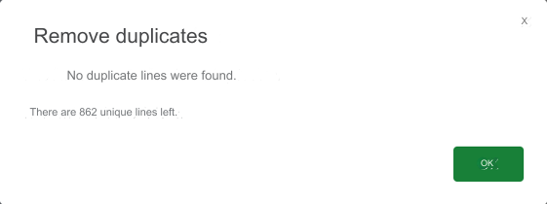

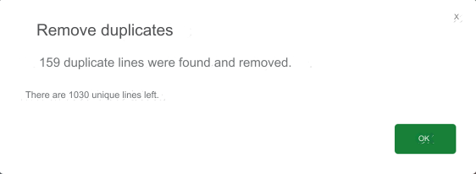
Total
 | We got a total of 1029 studies but "Can Commercial Testing Automation Tools Work for IoT? A Case Study of Selenium and Node-Red" was duplicated, so it became 1028 studies.

