Figure 1
Figure 1: Total revenue of Carrefour, Walmart and Amazon (1995-2019)

 | Sources | Data |  |  |  |  | Figure
 | Osiris/Orbis | billions US dollars

Total revenue (1995-2019)
 |  |  |  | Carrefour | Walmart | Amazon
 |  |  | 1995 | 29.771429592 | 94.773 | 0.000511
 |  |  |  | 29.802177779 | 106.178 | 0.015746
 |  |  |  | 28.502697121 | 119.299 | 0.147787
 |  |  |  | 32.299675307 | 139.208 | 0.609819
 |  |  |  | 37.953428509 | 166.809 | 1.639839
 |  |  | 2000 | 61.008475313 | 193.116 | 2.761983
 |  |  |  | 61.806570639 | 205.823 | 3.122433
 |  |  |  | 72.650177955 | 231.577 | 3.932936
 |  |  |  | 89.352720056 | 258.681 | 5.263699
 |  |  |  | 100.39583053 | 284.31 | 6.921124
 |  |  | 2005 | 87.35580637 | 312.101 | 8.49
 |  |  |  | 102.62452512 | 348.368 | 10.711
 |  |  |  | 122.8580221 | 377.023 | 14.835
 |  |  |  | 122.80354748 | 404.254 | 19.166
 |  |  |  | 124.97784669 | 408.085 | 24.509
 |  |  | 2010 | 109.41176883 | 421.849 | 34.204
 |  |  |  | 98.583526806 | 446.509 | 48.077
 |  |  |  | 100.27175762 | 468.651 | 61.093
 |  |  |  | 103.83381547 | 476.294 | 74.452
 |  |  |  | 92.658943637 | 485.651 | 88.988
 |  |  | 2015 | 85.88536062 | 482.13 | 107.006
 |  |  |  | 83.035638722 | 485.873 | 135.987
 |  |  |  | 96.414091345 | 500.343 | 177.866
 |  |  |  | 84.918967791 | 514.405 | 232.887
 |  |  | 2019 | 83.291111953 | 523.964 | 280.522

Figure 2
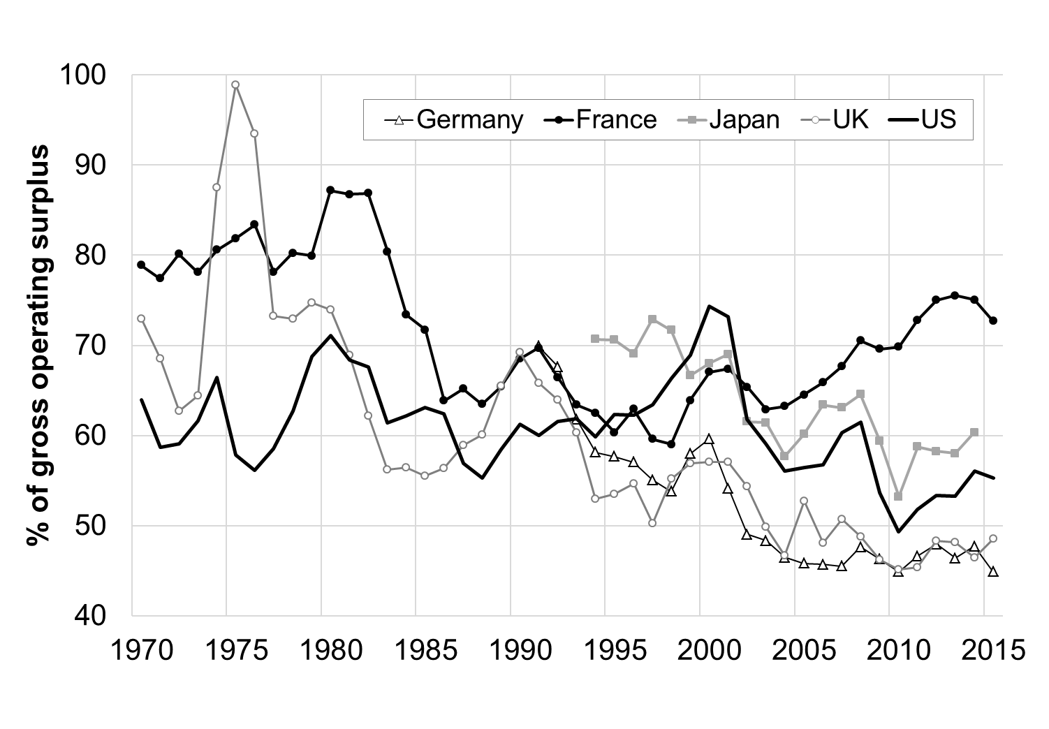
Figure 2: Total revenue growth of Carrefour, Walmart and Amazon by 6 years period (CAGR, 1996-2019)

 | Sources | Data |  |  |  |  | Figure
 | Osiris/Orbis

 |  | CAGR revenue
 |  | begining value = total revenue of b-1 ; end value = total revenue of e ; n = 6 ; CAGR = (end/begining) ^(1/n) - 1 |  | Carrefour | Walmart | Amazon
 |  |  | 1996-2001 | 12.9% | 13.8% | 327.6%
Total revenue growth (CAGR, 1996-2019)
 |  |  | 2002-07 | 12.1% | 10.6% | 29.7%
 |  |  | 2008-13 | -2.8% | 4.0% | 30.8%
 |  |  | 2014-19 | -3.6% | 1.6% | 24.7%

Figure 3
Figure 3: Fixed assets growth of Carrefour, Walmart and Amazon by 6 years period (CAGR, 1996-2019)

 | Sources | Data |  |  |  |  | Figure
 | Osiris/Orbis

 |  | CAGR revenue
 |  | begining value = total revenue of b-1 ; end value = total revenue of e ; n = 6 ; CAGR = (end/begining) ^(1/n) - 1 |  | Carrefour | Walmart | Amazon
 |  |  | 1996-2001 | 20.8% | 18.4% | 342.8%
Fixed assets growth (CAGR, 1996-2019)
 |  |  | 2002-07 | 12.7% | 12.9% | 20.6%
 |  |  | 2008-13 | -5.1% | 3.7% | 50.8%
 |  |  | 2014-19 | -1.8% | 1.5% | 37.2%

Figure 4
Figure 4: Carrefour, Wal-Mart and Amazon mark-up (6 years periods average, 1996-2019)

 | Sources | Data |  |  |  |  | Figure
 | Osiris/Orbis

 |  | Orbis
 |  | net profit/total revenue
 |  |  |  | Carrefour | Walmart | Amazon
 |  |  | 1996-2001 | 2.0% | 3.1% | -32.4%
Mark-up (1996-2019)
 |  |  | 2002-07 | 2.3% | 3.5% | 2.4%
 |  |  | 2008-13 | 1.0% | 3.5% | 2.0%
 |  |  | 2014-19 | 0.7% | 2.6% | 2.0%

Figure 5
Figure 5: Carrefour, Wal-Mart and Amazon return on assets (6 years periods average, 1996-2019)

 | Sources | Data |  |  |  |  |  | Figure
 | Osiris/Orbis

 |  | ROA
 |  |  |  | Carrefour | Walmart | Amazon
 |  |  | 1996-2001 | 3.2% | 7.9% | -40.9%
Return on assets (1996-2019)
 |  |  | 2002-07 | 4.0% | 8.3% | 5.6%
 |  |  | 2008-13 | 1.7% | 8.2% | 3.9%
 |  |  | 2014-19 | 1.1% | 7.2% | 2.9% | actualisé

Figure 5 bis
Figure 5 bis : Carrefour, Wal-Mart and Amazon Asset turnover ratio (6 years periods average, 1996-2019)

 | Sources | Data |  |  |  |  | Figure
 | Osiris/Orbis

 |  | Asset turnover ratio: revenue/assets
 |  |  |  | Carrefour | Walmart | Amazon
 |  |  | 1996-2001 | 1.64 | 2.57 | 1.28
Asset turnover ratio (1996-2019)
 |  |  | 2002-07 | 1.70 | 2.35 | 2.26
 |  |  | 2008-13 | 1.64 | 2.36 | 1.92
 |  |  | 2014-19 | 1.64 | 2.41 | 1.52

Figure 6
Figure 6: Carrefour, Wal-Mart and Amazon return on equity (6 years periods average, 1996-2019)

 | Sources | Data |  |  |  |  | Figure
 | Osiris/Orbis

 |  | ROE
 |  |  |  | Carrefour | Walmart | Amazon
 |  |  | 1996-2001 | 15.3% | 19.7% | -77.8%
Return on equity (1996-2019)
 |  |  | 2002-07 | 21.9% | 20.3% | -3.6%
 |  |  | 2008-13 | 8.9% | 20.8% | 11.4%
 |  |  | 2014-19 | 4.7% | 18.6% | 11.2%

Figure 6 bis
Figure 6 bis: Carrefour, Wal-Mart and Amazon equity as a share of assets (6 years periods average, 1996-2019)

 | Sources | Data |  |  |  |  |  | Figure
 | Osiris/Orbis

 |  | Equity as a % of assets
 |  |  |  | Carrefour | Walmart | Amazon
 |  |  | 1996-2001 | 20.9% | 40.9% | -6.8%
Equity as a % of assets
 |  |  | 2002-07 | 18.2% | 40.5% | -14.6% | unmeaningful => negative equity 2000-2004
 |  |  | 2008-13 | 19.1% | 38.5% | 31.1%
 |  |  | 2014-19 | 24.1% | 37.5% | 23.7%

Figure 6 ter
Figure 6 ter: Carrefour, Wal-Mart and Amazon long term debt to equity (6 years periods average, 1996-2019)

 | Sources | Data |  |  |  |  |  | Figure
 | Osiris/Orbis

 |  | LT interest bearing Debt to equity
 |  |  |  | Carrefour | Walmart | Amazon
 |  |  | 1996-2001 | 116.0% | 54.0% | 116.7%
LT interest bearing Debt to equity
 |  |  | 2002-07 | 118.0% | 50.2% | -29.1% | unmeaningful => negative equity 2000-2004
 |  |  | 2008-13 | 99.9% | 57.9% | 24.6%
 |  |  | 2014-19 | 58.2% | 54.7% | 99.1%

Figure 7
Figure 7: Carrefour, Wal-Mart and Amazon distributed profits (6 years periods average, 1996-2019)

 | Sources | Data |  |  |  |  | Figure
 | Osiris/Orbis

 |  | Distributed profits
 |  | (dividends + buybacks)/net profits |  | Carrefour | Walmart | Amazon
 |  |  | 1996-2001 | 34% | 34% | 0%
Distributed profits (1996-2019)
 |  |  | 2002-07 | 45% | 64% | 31%
 |  |  | 2008-13 | 189% | 80% | -400%
 |  |  | 2014-19 | 3% | 108% | 0%

Figure 8
Figure 8: Carrefour, Wal-Mart and Amazon total shareholder return (6 years periods average, 2003-2019)

 | Sources | Data |  |  |  |  | Figure
 | Osiris/Orbis

 |  | Distributed profits
 |  | Total shareholder return = Distributed value to shareholders + variation of equity value / average capitalisation |  | Carrefour | Walmart | Amazon
 |  |  | 2003-07 | 9.4% | 2.4% | 63.5%
Total shareolder return (2003-2019)
 |  |  | 2008-13 | 3.2% | 9.3% | 44.2%
 |  |  | 2014-19 | -6.4% | 12.7% | 37.5%

Figure 9
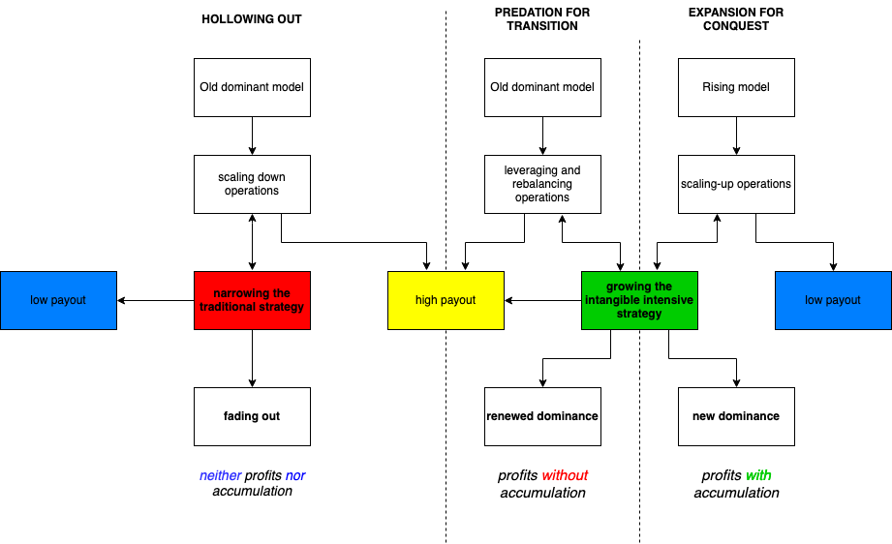
Figure 9: Three stylized scenarios for profit in the digital retail transition

 | Sources | Data | Figure

 | Authors' own elaboration

Figure 10
Figure 10: Investment and restructuring costs at Carrefour (20014-2019)

 | Sources | Data |  |  |  | Figure
 | Osiris/Orbis | billions US dollars

 |  | Investment as acquisitions of property and equipment and intangible assets
 |  |  |  | Investment | Restructuring costs
 |  |  | 2014 | 2.927 | 0.135
Investment and restructuring costs (2014-2019)
 |  |  | 2015 | 2.589 | 0.258
 |  |  | 2016 | 2.898 | 0.162
 |  |  | 2017 | 2.841 | 0.335
 |  |  | 2018 | 1.786 | 0.811
 |  |  | 2019 | 1.938 | 0.617

Figure 11
Figure 10: Carrefour, Walmart and Amazon patent fillings by 6 years period (1996-2019)

 | Sources | Data |  |  |  |  | Figure
 | Orbis/BVD January 2021

 |  | Patent filling
 |  |  | Time period | Carrefour | Walmart | Amazon
 |  |  | 1996-2001 | 31 | 39 | 245
Patent fillings (1996-2019)
 |  |  | 2002-2007 | 16 | 33 | 524
 |  |  | 2008-2013 | 38 | 304 | 1743
 |  |  | 2019-2014 | 16 | 1981 | 8771

Figure 11 bis
Figure 10 bis: Patent portfolio of Carrefour, Wal-Mart and Amazon (end of 2019)

 | Sources | Data |  |  |  |  | Figure
 | Orbis | Data retrived on Januray 21 2021

Patent portfolio (end of 2019)
 |  |  |  | Carrefour | Walmart | Amazon
 |  |  | Pending | 41 | 1886 | 3282
 |  |  | Granted | 39 | 311 | 6645
 |  |  | Expired | 87 | 116 | 15

Figure 12
Figure 11: Allocation of Capex at Walmart (2006-2019, average of selected periods)

 | Sources | Data |  |  |  |  |  | Figure
 | Amazon report 2018, p.37 & 2019, p.38 | Allocation of Capital Expenditures - moy par période
 |  | (Amounts in millions)

Allocation of Capex (2003-2019)
 |  |  |  |  |  |  | Operating expenses:

 |  |  |  | New stores and clubs | Remodels | eCommerce, technology, supply chain.. | Total U.S. | Walmart International | Total capital expenditures
 |  |  | 2006&2007 | 7.6 | 0.8 | 2.9 | 11.3 | 4.0 | 15.3
 |  |  | 2008-2013 | 3.9 | 1.7 | 2.6 | 8.3 | 4.4 | 12.7
 |  |  | 2014-2017 | 2.6 | 1.5 | 4.0 | 8.0 | 3.0 | 11.1
 |  |  | 2018-2019 | 0.2 | 2.2 | 5.4 | 7.8 | 2.7 | 10.5

Figure 13
Figure 12: Composition of sales at Amazon (2009-2019)

 | Sources | Data |  |  |  | Figure
 | Amazon report 2018, p.37 & 2019, p.38

Composition of sales (2009-2019)
 |  |  |  |  | Total net sales
 |  |  | Net product sales | Net service sales
 |  | 2009 | 91% | 9% | 100%
 |  | 2010 | 90% | 10% | 100%
 |  | 2011 | 87% | 13% | 100%
 |  | 2012 | 85% | 15% | 100%
 |  | 2013 | 82% | 18% | 100%
 |  | 2014 | 79% | 21% | 100%
 |  | 2015 | 74% | 26% | 100%
 |  | 2016 | 70% | 30% | 100%
 |  | 2017 | 67% | 33% | 100%
 |  | 2018 | 61% | 39% | 100%
 |  | 2019 | 57% | 43% | 100%

Figure 14
Figure 13: Composition of costs at Amazon (2003-2019) |  |  |  |  |  |  |  |  |  | ? What is fulfuillement ?
 |  |  |  |  |  |  |  |  |  | Why marketong rose ?
 | Sources | Data |  |  | Figure
 | Amazon report 2018, p.37 & 2019, p.38 | Operating expenses
 |  | % of sales
Composition of costs (2003-2019)
 |  |  |  | Operating expenses:

 |  |  |  | Cost of sales | Fulfillment | Marketing | Technology and content | Others | Operating income
 |  |  | 2003 | 76% | 9% | 2% | 5% | 2% | 5%
 |  |  | 2004 | 77% | 9% | 2% | 4% | 2% | 6%
 |  |  | 2005 | 76% | 9% | 2% | 5% | 3% | 5%
 |  |  | 2006 | 77% | 9% | 2% | 6% | 2% | 4%
 |  |  | 2007 | 77% | 9% | 2% | 6% | 2% | 4%
 |  |  | 2008 | 78% | 9% | 3% | 5% | 1% | 4%
 |  |  | 2009 | 77% | 8% | 3% | 5% | 2% | 5%
 |  |  | 2010 | 78% | 8% | 3% | 5% | 2% | 4%
 |  |  | 2011 | 78% | 10% | 3% | 6% | 2% | 2%
 |  |  | 2012 | 75% | 11% | 4% | 7% | 2% | 1%
 |  |  | 2013 | 73% | 12% | 4% | 9% | 2% | 1%
 |  |  | 2014 | 71% | 12% | 5% | 10% | 2% | 0%
 |  |  | 2015 | 67% | 13% | 5% | 12% | 2% | 2%
 |  |  | 2016 | 65% | 13% | 5% | 12% | 2% | 3%
 |  |  | 2017 | 63% | 14% | 6% | 13% | 2% | 2%
 |  |  | 2018 | 60% | 15% | 6% | 12% | 2% | 5%
 |  |  | 2019 | 59% | 14% | 7% | 13% | 2% | 5%

 |  |  |  |  |  |  |  | n m

