SF2
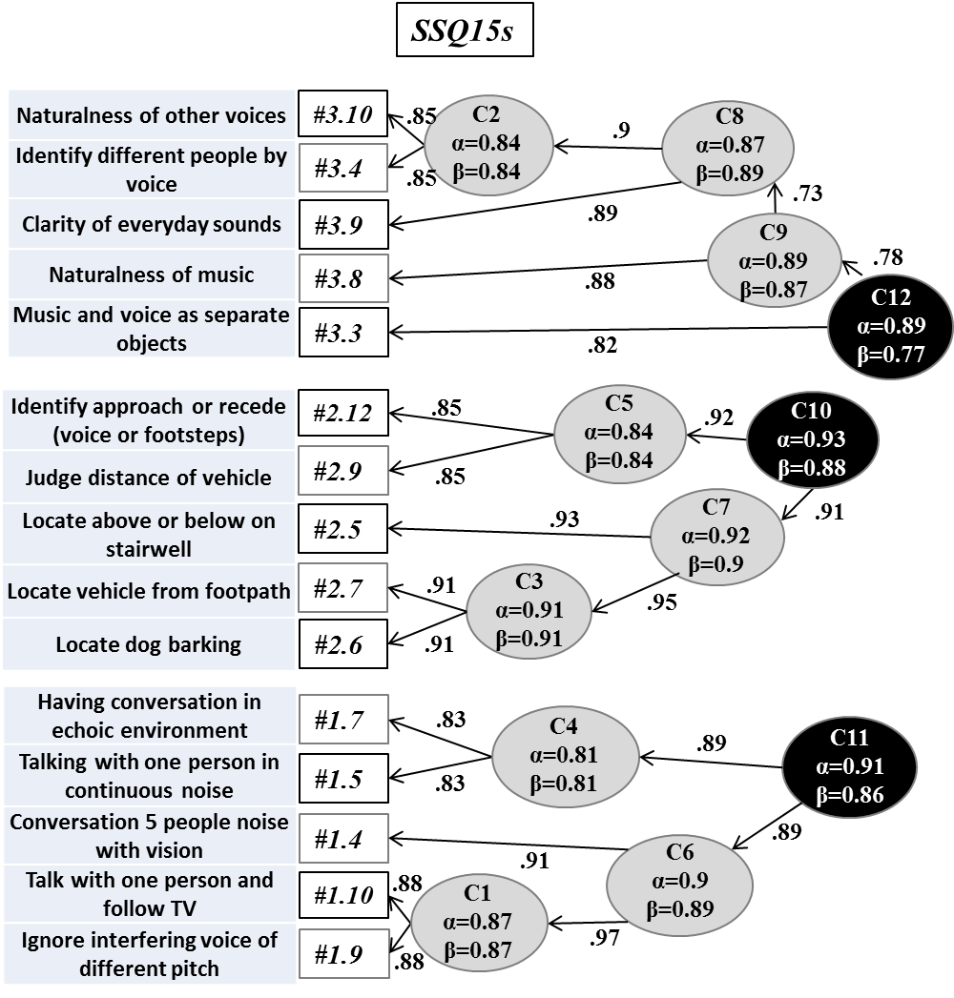

Figure SF2. Tree diagram of the hierarchical cluster analysis (ICLUST) of the SSQ15s (Kiessling et al., 2011), obtained as a subset score of the Full SSQ in a population of 196 hearing-impaired patients, non hearing aid wearers. Items corresponding to each subscale are specified on the left. The most similar items are combined first and increasingly less similar clusters are represented from left to right. For each cluster, alpha coefficient and Revelle’s B (worst split-half reliability) are provided. Three main clusters (in black), corresponding each to a main subscale, are identified. The abreviated text for the items are from Bahn et al. (2012).

SF3
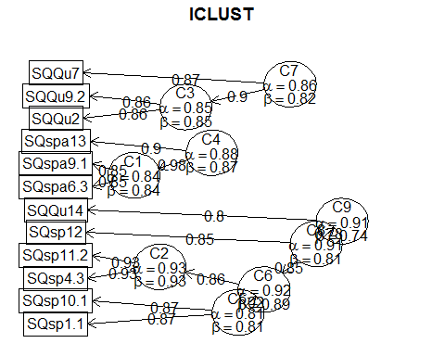

Figure SF3. Tree diagram of the hierarchical cluster analysis (ICLUST) of the SSQ12s (Noble et al., 2013), obtained as a subset score of the Full SSQ in a population of 196 hearing-impaired patients, non hearing aid wearers. Items corresponding to each subscale are specified on the left. The most similar items are combined first and increasingly less similar clusters are represented from left to right. For each cluster, alpha coefficient and Revelle’s B (worst split half reliability) are provided. Three main clusters (C4, C7 and C9), corresponding each to a main subscale, are identified.

